Cole Haan Outerwear
Cole Haan Men's Outerwear

Restrictions: Export Only. No Sales in the USA.

Note: Each jacket comes in an individual poly bag.

Quantity: 43,050 units

Location: Ex Warehouse NJ, USA.

Subject to change and prior sale.

Season | Style | Style Desc | Color | Color Code | MSRP | XS | S | M | L | XL | XXL | # | Price
V | 530SW919 | MN WOOL TWILL COAT | BLACK | BLK | $350.00 |  | 646 | 1,250 | 1,246 | 702 | 386 | 4,230 | $75.00
V | 530SW919 | MN WOOL TWILL COAT | CHARCOAL | CHA | $350.00 |  | 665 | 1,300 | 1,324 | 675 | 350 | 4,314 | $75.00
V | 530SW919 | MN WOOL TWILL COAT | NAVY | NVY | $350.00 |  | 148 | 327 | 327 | 149 | 81 | 1,032 | $75.00
530SW919 Summary
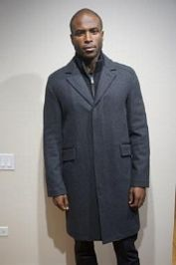

V | 536SN977 | MN PU FAUX DOWN JKT | BLK/BLUE | BBU | $275.00 |  | 308 | 754 | 755 | 293 | 126 | 2,236 | $54.00
V | 536SN977 | MN PU FAUX DOWN JKT | BLK/RED 1 | BD1 | $275.00 |  | 26 | 52 | 43 | 0 | 3 | 124 | $54.00
V | 536SN977 | MN PU FAUX DOWN JKT | BLK/ORANGE | BKO | $275.00 |  | 358 | 685 | 667 | 266 | 142 | 2,118 | $54.00
V | 536SN977 | MN PU FAUX DOWN JKT | OLV CAMO SNFLWR YL | XOA | $275.00 |  | 80 | 115 | 100 | 22 | 30 | 347 | $54.00
V | 536SN977 | MN PU FAUX DOWN JKT | BLK-OLV CAMO | XOL | $275.00 |  | 185 | 340 | 371 | 132 | 104 | 1,132 | $54.00
536SN977 Summary


V | 530SW955 | MN WOOL MELTON COAT | BLACK | BLK | $325.00 |  | 146 | 288 | 192 | 20 | 73 | 719 | $68.00
V | 530SW955 | MN WOOL MELTON COAT | CHARCOAL | CHA | $325.00 |  | 235 | 460 | 421 | 175 | 83 | 1,374 | $68.00
V | 530SW955 | MN WOOL MELTON COAT | NAVY | NVY | $325.00 |  | 188 | 329 | 304 | 134 | 121 | 1,076 | $68.00
530SW955 Summary
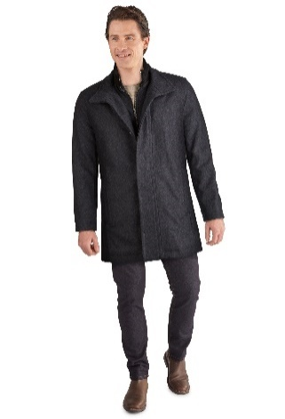

V | 538AP717 | MN WATER RESIST JKT | NAVY | NVY | $398.00 | 660 | 1,064 | 501 | 63 | 3 | 0 | 2,291 | $52.00
538AP717 Summary
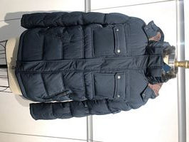

V | 536SN542 | MN QTD FAUX DOWN JKT | NAVY | NVY | $295.00 |  | 136 | 183 | 125 | 4 | 38 | 486 | $60.00
V | 536SN542 | MN QTD FAUX DOWN JKT | WREN | WRN | $295.00 |  | 351 | 551 | 463 | 235 | 88 | 1,688 | $60.00
536SN542 Summary
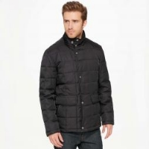

V | 536AP932 | MN POLY QUILT JKT | BLACK | BLK | $298.00 |  | 28 | 26 | 34 |  |  | 88 | $60.00
 | 536AP932 | MN POLY QUILT JKT | DARK GREEN | DGR | $298.00 |  | 18 | 18 | 17 | 8 | 9 | 70 | $60.00
V | 536AP932 | MN POLY QUILT JKT | NAVY | NVY | $298.00 |  | 45 | 48 | 54 | 93 | 9 | 249 | $60.00
V | 536AP932 | MN POLY QUILT JKT | OLIVE | OLV | $298.00 |  | 179 | 334 | 346 | 141 | 67 | 1,067 | $60.00
536AP932 Summary
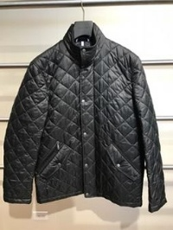

V | 535AP317 | MN POLY QUILT JKT | BLACK | BLK | $298.00 |  | 123 | 203 | 145 | 93 | 14 | 578 | $77.00
V | 535AP317 | MN POLY QUILT JKT | NAVY | NVY | $298.00 |  | 210 | 259 | 125 | 35 | 2 | 631 | $77.00
V | 535AP317 | MN POLY QUILT JKT | WREN | WRN | $298.00 |  | 156 | 315 | 295 | 187 | 52 | 1,005 | $77.00
535AP317 Summary
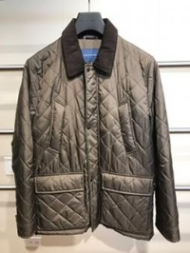

V | 530AW953 | MENS WOOL COAT | CHARCOAL | CHA | $398.00 |  | 146 | 297 | 290 | 130 | 55 | 918 | $73.00
530AW953 Summary
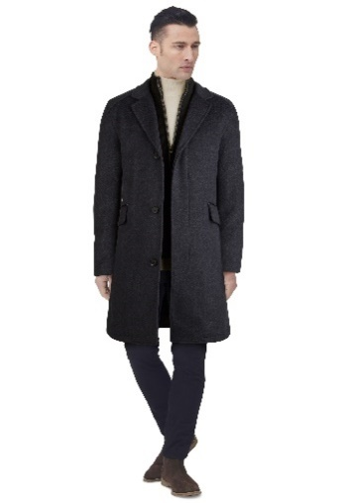

V | 538SP419 | MN CITY RAIN JACKET | BLACK | BLK | $250.00 |  | 122 | 199 | 125 | 0 | 0 | 446 | $52.00
V | 538SP419 | MN CITY RAIN JACKET | NAVY | NVY | $250.00 |  | 169 | 295 | 273 | 59 | 43 | 839 | $52.00
V | 538SP419 | MN CITY RAIN JACKET | OLIVE | OLV | $250.00 |  | 96 | 180 | 61 | 0 | 4 | 341 | $52.00
538SP419 Summary
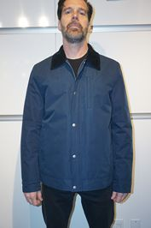

V | 537SD569 | MENS DOWN JACKET | BLACK | BLK | $325.00 |  | 99 | 132 | 76 | 0 | 24 | 331 | $66.00
V | 537SD569 | MENS DOWN JACKET | GREY | GRY | $325.00 |  | 110 | 156 | 96 | 0 | 21 | 383 | $66.00
V | 537SD569 | MENS DOWN JACKET | NAVY | NVY | $325.00 |  | 64 | 96 | 107 | 44 | 19 | 330 | $66.00
537SD569 Summary
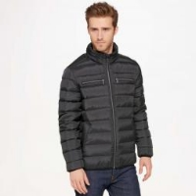

V | 535SP201 | MN PU FAUX LEATHRJKT | BLACK | BLK | $200.00 |  | 279 | 73 | 68 | 76 | 182 | 678 | $49.00
535SP201 Summary


V | 530SW916 | MN WOOL PLUSH COAT | CHARCOAL | CHA | $325.00 |  | 67 | 197 | 324 | 225 | 80 | 893 | $80.00
530SW916 Summary
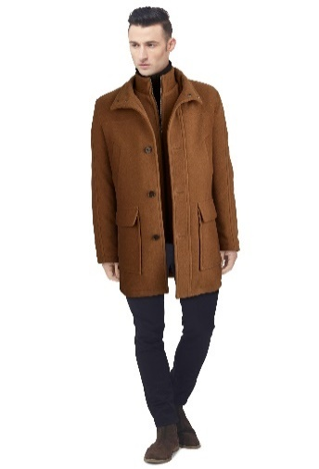

V | 535SW957 | MN WOOL MLTON COAT | BLACK | BLK | $295.00 |  | 341 | 328 | 45 | 0 | 130 | 844 | $68.00
V | 535SW957 | MN WOOL MLTON COAT | CHARCOAL | CHA | $295.00 |  | 278 | 112 | 0 | 0 | 32 | 422 | $68.00
535SW957 Summary


V | 536SW878 | MN WOOL MELTON COAT | BLACK | BLK | $325.00 | 15 | 344 | 126 | 0 | 4 | 159 | 648 | $68.00
536SW878 Summary
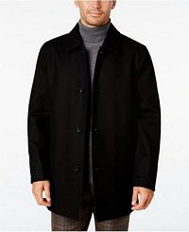

V | 537SP521 | MENS RAIN JACKET | BLACK | BLK | $295.00 |  | 286 | 383 | 154 | 0 | 0 | 823 | $72.00
V | 537SP521 | MENS RAIN JACKET | TAN | TAN | $295.00 |  | 117 | 200 | 168 | 19 | 4 | 508 | $72.00
537SP521 Summary
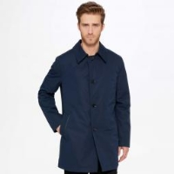

V | 537AW518 | MENS WOOL COAT | BLACK | BLK | $398.00 |  | 54 | 54 | 16 | 0 | 15 | 139 | $80.00
V | 537AW518 | MENS WOOL COAT | NAVY | NVY | $398.00 |  | 133 | 256 | 237 | 28 | 132 | 786 | $80.00
537AW518 Summary
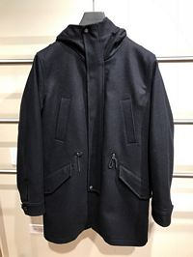

V | 538SN965 | MN POLY JKT | BLACK CAMO | B9F | $275.00 |  |  |  | 14 | 23 | 29 | 66 | $60.00
V | 538SN965 | MN POLY JKT | KHAKI | KHK | $275.00 |  | 6 | 13 | 98 | 151 | 69 | 337 | $60.00
538SN965 Summary


V | 537A2086 | MN LAMB ZIP FRT JK | BLACK | BLK | $498.00 |  | 22 | 45 | 33 | 15 |  | 115 | $105.00
V | 537A2086 | MN LAMB ZIP FRT JK | JAVA | JAV | $498.00 |  | 32 | 73 | 89 | 47 | 19 | 260 | $105.00
537A2086 Summary
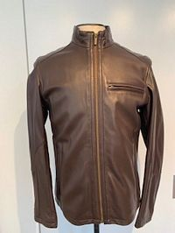

V | 537SW516 | MN WOOL MELTON COAT | BLACK | BLK | $325.00 |  | 24 | 36 | 44 | 20 | 10 | 134 | $75.00
V | 537SW516 | MN WOOL MELTON COAT | CHARCOAL | CHA | $325.00 |  | 28 | 53 | 65 | 14 | 15 | 175 | $75.00
V | 537SW516 | MN WOOL MELTON COAT | NAVY | NVY | $325.00 |  | 19 | 17 | 6 | 0 | 1 | 43 | $75.00
537SW516 Summary
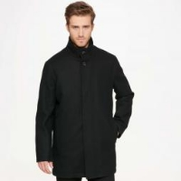

V | 537AP591 | MENS QUILT JACKET | NAVY | NVY | $298.00 |  | 136 | 237 | 189 | 167 | 41 | 770 | $60.00
V | 537AP591 | MENS QUILT JACKET | BLACK | BLK | $298.00 |  | 102 | 125 | 85 | 87 | 21 | 420 | $60.00
537AP591 Summary
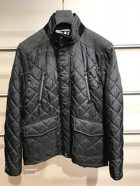

V | 539AW805 | MN WOOL COAT 3 IN 1 | BLACK | BLK | $598.00 |  | 21 |  | 16 |  | 43 | 80 | $106.00
V | 539AW805 | MN WOOL COAT 3 IN 1 | CHARCOAL | CHA | $598.00 |  | 22 | 5 | 43 | 7 | 50 | 127 | $106.00
V | 539AW805 | MN WOOL COAT 3 IN 1 | NAVY | NVY | $598.00 |  | 4 |  | 20 |  | 46 | 70 | $106.00
539AW805 Summary
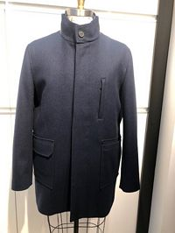

V | 539SP724 | MN POLY QUILT JKT | BLACK | BLK | $250.00 |  | 23 | 23 | 13 | 12 | 1 | 72 | $54.00
V | 539SP724 | MN POLY QUILT JKT | NAVY | NVY | $250.00 |  | 31 | 43 | 13 | 9 | 6 | 102 | $54.00
V | 539SP724 | MN POLY QUILT JKT | OLIVE | OLV | $250.00 |  | 39 | 38 | 8 | 4 |  | 89 | $54.00
539SP724 Summary
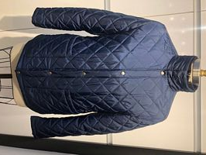

V | 538AW801 | MN WOOL COAT | BLACK | BLK | $398.00 |  | 49 | 70 | 36 | 0 | 34 | 189 | $60.00
V | 538AW801 | MN WOOL COAT | CHARCOAL | CHA | $398.00 |  | 24 | 34 | 0 | 0 | 0 | 58 | $60.00
538AW801 Summary
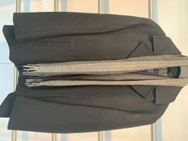

V | 538SN415 | MN POLY JKT | BLACK | BLK | $275.00 |  | 128 | 156 | 104 | 6 | 30 | 424 | $52.00
538SN415 Summary
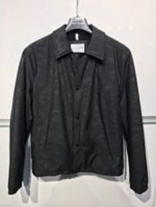

V | 536SP902 | MN PU FAUX LEATHRJKT | BLACK | BLK | $200.00 |  | 131 | 0 | 0 | 83 | 32 | 246 | $52.00
536SP902 Summary
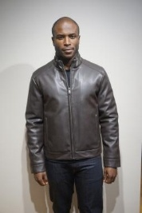

V | 530SW810 | MN MELTON WOOL COAT | BLACK | BLK | $250.00 |  | 9 | 35 | 52 | 39 | 11 | 146 | $77.00
530SW810 Summary

V | 530SP577 | MNS WATER RESIST JKT | BLACK | BLK | $250.00 |  | 156 | 193 | 11 | 0 | 0 | 360 | $54.00
V | 530SP577 | MNS WATER RESIST JKT | OLIVE | OLV | $250.00 |  | 20 | 54 | 0 | 0 | 0 | 74 | $54.00
530SP577 Summary
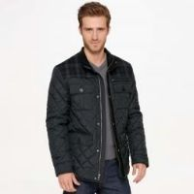

V | 530SW915 | MN WOOL PLUSH COAT | CHARCOAL | CHA | $295.00 |  | 58 | 102 | 90 | 0 | 0 | 250 | $64.00
530SW915 Summary
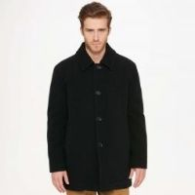

V | 530AW951 | MENS WOOL COAT | DARK BLUE | DKL | $398.00 |  | 75 | 139 | 154 | 74 | 33 | 475 | $72.00
530AW951 Summary
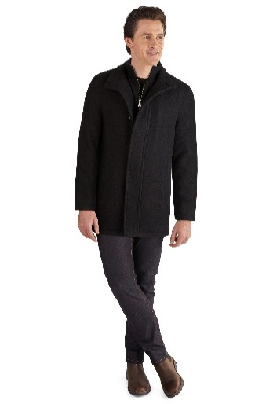

V | 534AP190 | MN POLY QUILT JKT | OLIVE | OLV | $298.00 |  | 13 | 24 | 18 | 28 |  | 83 | $60.00
V | 534AP190 | MN POLY QUILT JKT | WREN | WRN | $298.00 |  | 16 | 32 | 23 | 6 | 19 | 96 | $60.00
534AP190 Summary
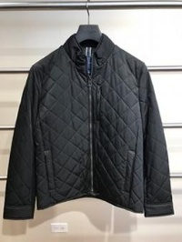

V | 536AD939 | MENS DOWN JACKET | NAVY | NVY | $325.00 |  | 81 | 145 | 102 | 34 | 27 | 389 | $77.00
V | 536AD939 | MENS DOWN JACKET | BLACK | BLK | $325.00 |  | 68 | 100 | 59 | 1 | 11 | 239 | $77.00
536AD939 Summary
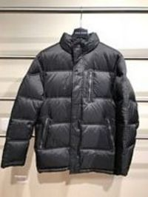

V | 539SW899 | MN WOOL COAT | BLACK | BLK | $325.00 |  | 34 | 43 | 34 | 1 | 9 | 121 | $75.00
V | 539SW899 | MN WOOL COAT | NAVY | NVY | $325.00 |  | 35 | 55 | 38 | 7 | 10 | 145 | $75.00
539SW899 Summary
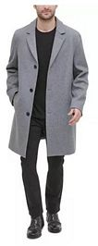

V | 536SP907 | MN PU FAUX LEATHRJKT | BLACK | BLK | $200.00 |  | 117 | 0 | 5 | 76 | 25 | 223 | $57.00
536SP907 Summary
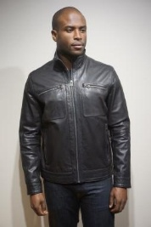

V | 530AW952 | MENS WOOL COAT | BROWN | BRN | $398.00 |  | 73 | 117 | 111 | 46 | 34 | 381 | $75.00
530AW952 Summary
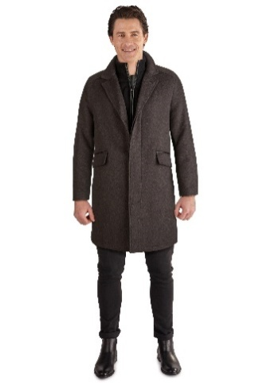

V | 538AN137 | MN POLY QUILT JKT | BLACK | BLK | $258.00 |  | 17 | 30 | 28 | 19 | 13 | 107 | $66.00
538AN137 Summary
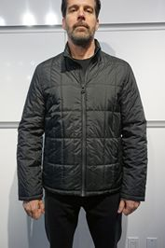

 |  |  |  |  |  |  |  |  |  |  |  | 43,050

